Sheet1
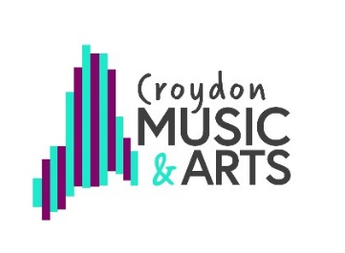
RSL Star Award 1

TEACHER NAME:

Use one tracking document per lessons (individual or small group).

Tick/compete each box once the objective is fully achieved in a lesson. See full RSL Star Award criteria for explantion of headings.

Student details |  | Technical |  |  |  | Creative/ Theory |  |  |  |  | Tasks |  |  | Completion Date
Forename | Surname | Star 1 technique | Performed with dynamics (in lesson) | Reads rhythmic notation | Free Improv | Rhythm Improv | Melodic Improv | Explore texture | 4 beat rhythms - by ear | 4 note melody - by ear | Working with others | Contribution | Heritage | Date completed, for teacher reference

Teacher Declaration

All work is the students’ own and I can confirm that my assessments are an accurate record of work completed by the student
over the course of the programme of study.

 | Signed |  |  |  |  |  |  |  | Date

