Sheet1
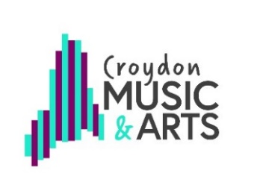
RSL Star Award 2

TEACHER NAME:

Use one tracking document per lessons (individual or small group).
Tick/compete each box once the objective is fully achieved in a lesson. See full RSL Star Award criteria for explantion of headings.

Student details |  | Technical/ Performance |  |  |  |  |  | Creative/ Theory |  |  |  | Tasks |  |  | Completion Date
Forename | Surname | Star 2 instrumental technique and range | Articulation (staccato, legato) | Dotted and syncopated rhythms | Graduated dynamics (e.g. cresc.) | Create ostinato/riff to accompany | Melodic improvisaion using 3-5 notes | compose/ improvise using dynamics | Understand 2 and 3 beat metres | Use/understand more than one key signature | Understand/read/perform specified rhythms | Work independently to improve | Perform to Friends/Family | Pop Culture Task | Date completed, for teacher reference

Teacher Declaration

All work is the students’ own and I can confirm that my assessments are an accurate record of work completed by the student
over the course of the programme of study.

 | Signed |  |  |  |  |  |  |  |  | Date

